Summary
 |  |  |  | Bank Al-Habib Limited
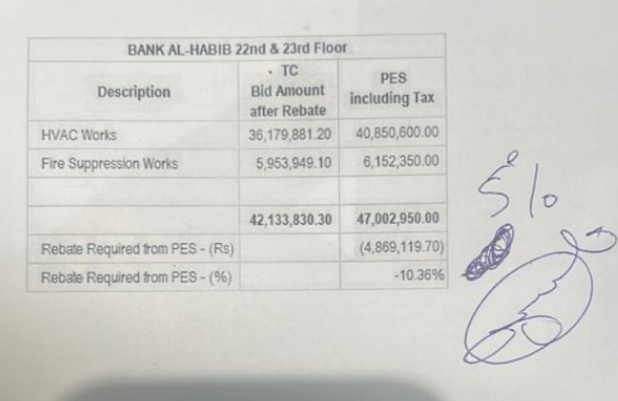

HVAC & Fire Fighting Work |  |  |  | 3-May-24
22nd & 23rd Floor Centerpoint Karachi

SUMMARY OF FINAL BILL

S.No | Description | Material | Labour | Amount
1 | HVAC 22nd Floor | 15,215,528 | 1,383,126 | 16,598,654
2 | HVAC 23rd Floor | 15,581,504 | 1,327,472 | 16,908,977
 | Total Amount HVAC |  |  | 33,507,631

3 | Fire Fighting 22nd Floor | 2,596,338 | 853,937 | 3,450,275
4 | Fire Fighting 23rd Floor | 2,209,556 | 760,366 | 2,969,922
 | Total Amount Fire Fighting |  |  | 6,420,197

 | Grand Total Amount | 35,602,927 | 4,324,901 | 39,927,828

